Sheet1
b1 | b2 | b3 | b4 | b5 | b6 | b7 | b8 | b9 | b10 | b11 | b12
1 | 1 | 1 | 1 | 1 | 0 | 0 | 0 | 1 | 1 | 0 | 1

h | q | n
3 | 5 | 6

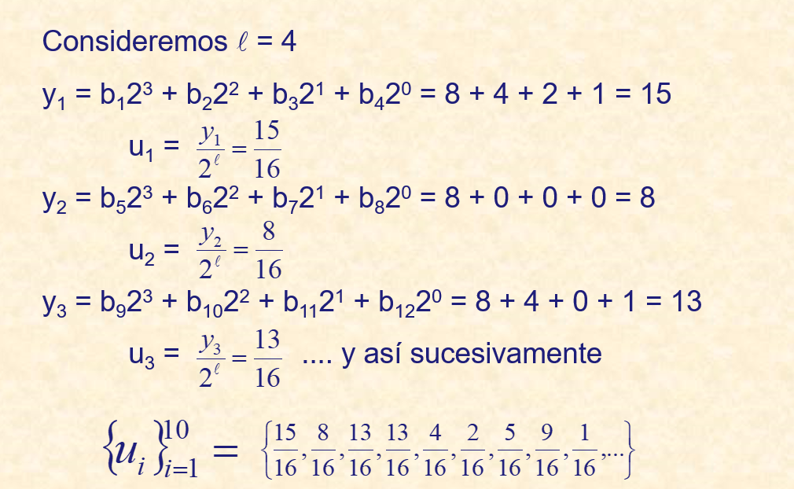
 |  | b6=(b3+b1)mod2 | 2 mod 2 | 0
 |  | b7=(b4=b2)mod2 | 2 mod 2 | 0
 |  | b8=(b5+b3)mod2 | 2 mod 2 | 0 |  | 1
 |  | b9=(b6+b4)mod2 | 1 mod 2 | 1

 | l=4
 |  | y1=b1*2^3+b2*2^2+b3*2^1+b4*2^0 |  |  | 8+4+2+1=15

 | y1/2^4

